Earned Value Management
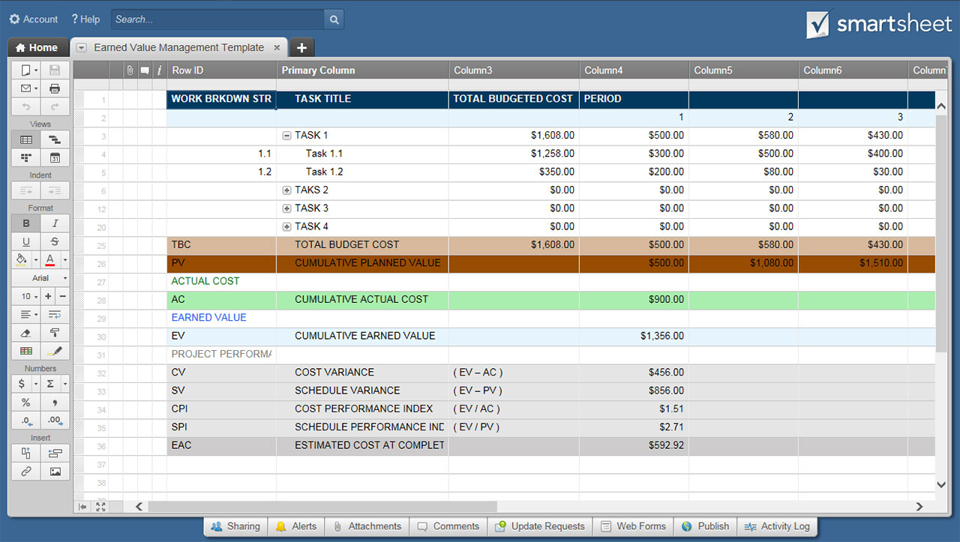
EARNED VALUE MANAGEMENT TEMPLATE

PROJECT TITLE | Project Title Here |  |  |  | PREPARED BY | Name of PM or Other Preparer |  |  | DATE OF REPORT | 00/00/0000 |  | TIME PERIOD | 4
PLANNED VALUE – WBS IDs and Task Titles listed here will automatically populate on worksheet tabs.
WORK BRKDWN STRUCTURE | TASK TITLE | TOTAL BUDGETED COST | PERIOD
 |  |  | 1 | 2 | 3 | 4 | 5 | 6 | 7 | 8 | 9 | 10 | 11 | 12
1.1 | Task 1.1 | $1,258 | $300 | $500 | $400 | $50 | $1 | $1 | $1 | $1 | $1 | $1 | $1 | $1
1.2 | Task 1.2 | $350 | $200 | $80 | $30 | $40 | $- | $- | $- | $- | $- | $- | $- | $-
1.3 | Task 1.3 | $- | $- | $- | $- | $- | $- | $- | $- | $- | $- | $- | $- | $-
1.4 | Task 1.4 | $- | $- | $- | $- | $- | $- | $- | $- | $- | $- | $- | $- | $-
2.1 | Task 2.1 | $- | $- | $- | $- | $- | $- | $- | $- | $- | $- | $- | $- | $-
2.2 | Task 2.2 | $- | $- | $- | $- | $- | $- | $- | $- | $- | $- | $- | $- | $-
2.3 | Task 2.3 | $- | $- | $- | $- | $- | $- | $- | $- | $- | $- | $- | $- | $-
2.4 | Task 2.4 | $- | $- | $- | $- | $- | $- | $- | $- | $- | $- | $- | $- | $-
2.5 | Task 2.5 | $- | $- | $- | $- | $- | $- | $- | $- | $- | $- | $- | $- | $-
3.1 | Task 3.1 | $- | $- | $- | $- | $- | $- | $- | $- | $- | $- | $- | $- | $-
3.2 | Task 3.2 | $- | $- | $- | $- | $- | $- | $- | $- | $- | $- | $- | $- | $-
3.3 | Task 3.3 | $- | $- | $- | $- | $- | $- | $- | $- | $- | $- | $- | $- | $-
3.4 | Task 3.4 | $- | $- | $- | $- | $- | $- | $- | $- | $- | $- | $- | $- | $-
3.5 | Task 3.5 | $- | $- | $- | $- | $- | $- | $- | $- | $- | $- | $- | $- | $-
3.6 | Task 3.6 | $- | $- | $- | $- | $- | $- | $- | $- | $- | $- | $- | $- | $-
3.7 | Task 3.7 | $- | $- | $- | $- | $- | $- | $- | $- | $- | $- | $- | $- | $-
4.1 | Task 4.1 | $- | $- | $- | $- | $- | $- | $- | $- | $- | $- | $- | $- | $-
4.2 | Task 4.2 | $- | $- | $- | $- | $- | $- | $- | $- | $- | $- | $- | $- | $-
4.3 | Task 4.3 | $- | $- | $- | $- | $- | $- | $- | $- | $- | $- | $- | $- | $-
4.4 | Task 4.4 | $- | $- | $- | $- | $- | $- | $- | $- | $- | $- | $- | $- | $-
TBC | TOTAL BUDGETED COST | $1,608.00 | $500 | $580 | $430 | $90 | $1 | $1 | $1 | $1 | $1 | $1 | $1 | $1
PV | CUMLATIVE PLANNED VALUE |  | $500 | $1,080 | $1,510 | $1,600 | $1,601 | $1,602 | $1,603 | $1,604 | $1,605 | $1,606 | $1,607 | $1,608
ACTUAL COST
AC | CUMULATIVE ACTUAL COST |  | $900 | $1,220 | $1,480 | $1,620 | $1,621 | $1,622 | $1,623 | $1,624 | $1,625 | $1,626 | $1,627 | $1,628
EARNED VALUE
EV | CUMULATIVE EARNED VALUE |  | $1,356 | $1,231 | $1,363 | $521 | $126 | $126 | $126 | $126 | $126 | $126 | $126 | $126
PROJECT PERFORMANCE METRICS
CV | COST VARIANCE | ( EV – AC ) | $456 | $11 | $(117) | $(1,099) | $(1,495) | $(1,496) | $(1,497) | $(1,498) | $(1,499) | $(1,500) | $(1,501) | $(1,502)
SV | SCHEDULE VARIANCE | ( EV – PV ) | $856 | $151 | $(147) | $(1,079) | $(1,475) | $(1,476) | $(1,477) | $(1,478) | $(1,479) | $(1,480) | $(1,481) | $(1,482)
CPI | COST PERFORMANCE INDEX | ( EV / AC ) | 1.51 | 1.01 | 0.92 | 0.32 | 0.08 | 0.08 | 0.08 | 0.08 | 0.08 | 0.08 | 0.08 | 0.08
SPI | SCHEDULE PERFORMANCE INDEX | ( EV / PV ) | 2.71 | 1.14 | 0.90 | 0.33 | 0.08 | 0.08 | 0.08 | 0.08 | 0.08 | 0.08 | 0.08 | 0.08
EAC | ESTIMATED COST AT COMPLETION |  | $1,067 | $1,594 | $1,746 | $5,003 | $20,720 | $20,733 | $20,746 | $20,758 | $20,771 | $20,784 | $20,797 | $20,809

 | CLICK HERE TO CREATE EARNED VALUE MANAGEMENT TEMPLATES IN SMARTSHEET

